Store 1 Data
 | Jan-16 | Feb-16 | Mar-16 | Apr-16 | May-16 | Jun-16 | Jul-16 | Aug-16 | Sep-16 | Oct-16 | Nov-16 | Dec-16 | Jan-17 | Feb-17 | Mar-17 | Apr-17
Short-Sleeved Shirts | $36,625 | $41,450 | $44,655 | $46,890 | $54,880 | $58,750 | $65,653 | $66,545 | $67,985 | $62,569 | $54,870 | $51,239 | $47,650 | $48,600 | $53,422 | $57,564
Long-Sleeved Shirts | $28,955 | $29,785 | $28,765 | $21,560 | $24,650 | $24,525 | $26,000 | $27,540 | $32,120 | $35,780 | $38,890 | $42,342 | $45,755 | $46,545 | $48,766 | $50,783
Sweaters | $52,990 | $54,500 | $55,875 | $52,900 | $49,876 | $45,345 | $45,500 | $46,432 | $47,800 | $49,875 | $55,690 | $57,699 | $58,950 | $61,200 | $59,880 | $57,432
Underwear | $21,875 | $19,500 | $17,550 | $25,985 | $25,500 | $25,150 | $24,500 | $27,100 | $24,890 | $27,765 | $22,890 | $23,565 | $22,230 | $21,345 | $23,450 | $24,521
Socks | $9,000 | $8,350 | $10,765 | $12,450 | $10,500 | $13,450 | $12,345 | $11,690 | $10,290 | $9,650 | $8,645 | $8,800 | $11,030 | $12,850 | $12,343 | $12,890
Pants | $44,450 | $44,990 | $45,360 | $48,600 | $49,975 | $52,000 | $52,345 | $52,333 | $53,343 | $55,780 | $56,780 | $57,689 | $58,975 | $59,655 | $59,767 | $62,089
Jeans | $24,960 | $27,350 | $31,960 | $34,890 | $37,125 | $39,450 | $39,220 | $40,325 | $42,560 | $43,540 | $44,660 | $41,870 | $43,532 | $44,900 | $46,721 | $48,100
Total Revenues | $218,855 | $225,925 | $234,930 | $243,275 | $252,506 | $258,670 | $265,563 | $271,965 | $278,988 | $284,959 | $282,425 | $283,204 | $288,122 | $295,095 | $304,349 | $313,379
Month over Month |  | 3.23% | 3.99% | 3.55% | 3.79% | 2.44% | 2.66% | 2.41% | 2.58% | 2.14% | -0.89% | 0.28% | 1.74% | 2.42% | 3.14% | 2.97%

Manager's argument: | "Starting with the month of December 2016, our growth rate has grown 10x over"
Cherry-picked? | Yes
How? | This statement is misleading for a few reasons. First, when you look at the graph of growth rate, the manager took one of the lowest points on the chart and made it the starting point. Second, the growth rate of a growth rate isn't a main metric to measure. It would be much more effective to just look at the trend of the growth rate over the entire time period, or even more simple, just analyze the revenue on its own.

Figure 1
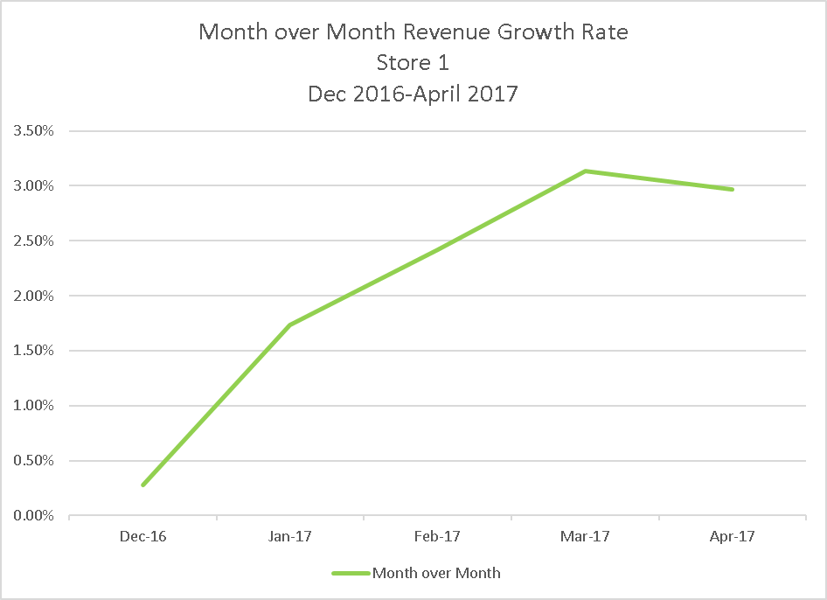

Figure 2
Month over Month Revenue Growth Rate Store 1 Jan 2016-April 2017
 | Month over Month
Jan-16
Feb-16 | 3.23%
Mar-16 | 3.99%
Apr-16 | 3.55%
May-16 | 3.79%
Jun-16 | 2.44%
Jul-16 | 2.66%
Aug-16 | 2.41%
Sep-16 | 2.58%
Oct-16 | 2.14%
Nov-16 | -0.89%
Dec-16 | 0.28%
Jan-17 | 1.74%
Feb-17 | 2.42%
Mar-17 | 3.14%
Apr-17 | 2.97%

